1. Title Page
[Instacart Grocery Basket Analysis]

Project Name: Instacart Grocery Basket Analysis
Date: 07/08/2024
Analyst Name: Drew Ballinger

Contents:
Population Flow
Consistency checks
Wrangling steps
Column derivations
Visualizations
Recommendations
Data Citation

2. Population Flow
Title page

Population flow

Exclusion flag
Condition: max_order <
Obervations to be removed:
Final total count of order_products_all: 32,404,859

Orders_products_combined
Orders_products_merged
Orders_products_all

Total: 32,404,859
Total: 32,434,489
Total: 32,404,859

1.) The grey boxes in the first row of the population flow represent the original data sets as they were when you downloaded them. In the Total fields you need to add the count of the rows when you imported the data set into Jupyter.
2.) The second row of boxes (coloured) represents the data sets after you manipulated them, e.g., removed missing values and duplicates. In the Total fields you need to add the count of the rows after conducting these operations. This offers a visual oveview of how the data flows throughout the data consistency checks.
3.) The third row, where also the arrows are coloured, represents the merges you performed between the datasets. In the Total fields you need to add the count of the rows in the merged datasets, so that you end up with the final dataset (in the red box). Keep in mind the final dataset should be without exclusions (based on the exclusion flag).

3. Consistency checks
 |  |  |  | Title page
Consistency checks

Dataset | Missing values | Missing values treatment | Duplicates
orders | 206,209-days_since_prior_order | Left In Dataframe | No duplicates found
products | 16-product_name column | Removed | 5
orders_products_prior | 0 | No Missing Values | 0
customers | 0 | No Missing Values | 0

Note: orders_products_prior were found to be first time orders so it was decided to leave in dataframe

4. Wrangling steps
 |  |  |  | Title page
Wrangling steps

Columns dropped | Columns renamed | Columns' type changed | Comment/Reason
eval_set |  |  | Found to have irrelevant information for puporses
 | order_dow |  | Found to be more understandable
 |  | order_numer to string | Identifies order number and did not need to be integer type
 |  | user_id to string | Indentifies customer id and did not need to be integer type
 | First Name |  | Changed to first_name for uniform column look of column labels. Also needing to be confirmed for okay deletion due to possible PII.
 | Surnam |  | Changed to last_name for uniform look of column label and easier understanding. Also needing to be confirmed for okay deletion due to possible PII.
 | STATE |  | Changed to lower case for uniform look of column labels
 | GENDER |  | Changed to lower case for uniform look of column labels
 | AGE |  | Changed to lower case for uniform look of column labels
 | fam_status |  | Found to be more understandable
 | n_dependants |  | Found to be more understandable
_merge |  |  | Column was created and dropped on different occassions as errors were thrown when trying to combine dataframes when left in.
 |  | department_id | Changed to string data type to merge with dataframe
 | Unnamed: 0 |  | Changed when working with departments during visualizations for department_id column

5. Column derivations
 |  |  |  | Title page

Column derivations and aggregations
In this tab you should add tables below that the frequences of flags/label variables that you produced after deriving them. NB: don't do this for continuous variables, only for flags.

Dataset | New column | Column/s it was derived from | Conditions
ords_prods_merge | price_range_loc | pricing | df_ords_prods_merge.loc[df_ords_prods_merge['prices']<=5,'price_range_loc']='Low-range product' df_ords_prods_merge.loc[(df_ords_prods_merge['prices']>5)&(df_ords_prods_merge['prices']<=15),'price_range_loc']='Mid-range product 'df.loc[df['prices']>15,'price_range_loc']='High-range product'
ords_prods_merge | busiest_day | orders_day_of_week | for value in df_ords_prods_merge["orders_day_of_week"]: if value==0: result.append("Busiest day") elif value==4: result.append("Least busy") else: result.append("Regularly busy")
ords_prods_merge | busiest_days | orders_day_of_week | for value in df_ords_prods_merge["orders_day_of_week"]: if value in [0,1]: result_2.append("Busiest days") elif value in [3,4]: result_2.append("Slowest days") else: result_2.append("Regularly busy")
ords_prods_merge | busiest_period_of_day | order_hour_of_day | for-loop if-statement:for value in df_ords_prods_merge['order_hour_of_day']: if value in [10,11,14,15,13,12,16,9]: result_3.append("Most orders") elif value in [17,8,18,19,20,7,21,22]: result_3.append("Average orders") elif value in [23,6,0,1,5,2,4,3]: result_3.append("Fewest orders") else: result_3.append("No orders")
ords_prods_merge | max_order | max of user_id and order_number | ords_prods_merge['max_order']=ords_prods_merge.groupby(['user_id'])['order_number'].transform(np.max)
ords_prods_merge | loyalty_flag | max_order | df_ords_prods_merge.loc[df_ords_prods_merge['max_order']<=10,'loyalty_flag']='New Customer' df_ords_prods_merge.loc[(df_ords_prods_merge['max_order']>10)&(df_ords_prods_merge['max_order']<=40),'loyalty_flag']='Regular customer' df_ords_prods_merge.loc[df_ords_prods_merge['max_order']>40,'loyalty_flag']='Loyal customer'
ords_prods_merge | spending_average | mean of user_id and prices | ords_prods_merge['spending_average']=ords_prods_merge.groupby(['user_id'])['prices'].transform('mean')
ords_prods_merge | type_of_spender | spending_average | ords_prods_merge.loc[ords_prods_merge['spending_average']<10,'type_of_spender']='Low Spender' ords_prods_merge.loc[ords_prods_merge['spending_average']>=10,'type_of_spender']='High Spender'
ords_prods_merge | user_frequency | median of user_id and days_since_prior_order | ords_prods_merge['user_frequency']=ords_prods_merge.groupby(['user_id'])['days_since_prior_order'].transform('median')
ords_prods_merge | customer_frequency_type | user_frequency | ords_prods_merge.loc[ords_prods_merge['user_frequency']<=10,'customer_frequency_type']='Frequent Customer' ords_prods_merge.loc[(ords_prods_merge['user_frequency']>10)&(ords_prods_merge['user_frequency']<=20),'customer_frequency_type']='Regular Customer' ords_prods_merge.loc[ords_prods_merge['user_frequency']>20,'customer_frequency_type']='Non-frequent Customer'
ords_prods_cust_merge | region | state | ords_prods_cust_merge.loc[ords_prods_cust_merge['state'].isin(Northeast),'region']='Northeast' ords_prods_cust_merge.loc[ords_prods_cust_merge['state'].isin(Midwest),'region']='Midwest' ords_prods_cust_merge.loc[ords_prods_cust_merge['state'].isin(South),'region']='South' ords_prods_cust_merge.loc[ords_prods_cust_merge['state'].isin(West),'region']='West'
ords_prods_cust_merge | customer_activity_flag | max_order | ords_prods_cust_merge.loc[ords_prods_cust_merge['max_order']>=5,'customer_activity_flag']='High Activity' ords_prods_cust_merge.loc[ords_prods_cust_merge['max_order']<5,'customer_activity_flag']='Low Activity'
ords_prods_cust_merge | age_group | age | ords_prods_cust_merge.loc[ords_prods_cust_merge['age']<=30,'age_group']='Young Adult' ords_prods_cust_merge.loc[(ords_prods_cust_merge['age']>30)&(ords_prods_cust_merge['age']<=60),'age_group']='Middle-Age Adult ords_prods_cust_merge.loc[ords_prods_cust_merge['age']>60,'age_group']='Senior'
ords_prods_cust_merge | income_group | income | ords_prods_cust_merge.loc[ords_prods_cust_merge['income']<=65000,'income_group']='Low Income' ords_prods_cust_merge.loc[(ords_prods_cust_merge['income']>65000)&(ords_prods_cust_merge['income']<=130000),'income_group']='Middle Income' ords_prods_cust_merge.loc[ords_prods_cust_merge['income']>130000,'income_group']='High Income'
ords_prods_cust_merge | dependant_size | num_of_dependants | ords_prods_cust_merge.loc[ords_prods_cust_merge['num_of_dependants']<=1,'dependant_size']='Small' ords_prods_cust_merge.loc[ords_prods_cust_merge['num_of_dependants']==2,'dependant_size']='Medium' ords_prods_cust_merge.loc[ords_prods_cust_merge['num_of_dependants']>=3,'dependant_size']='Large'
ords_prods_cust_merge | week_day_category | orders_day_of_week | ords_prods_cust_merge.loc[ords_prods_cust_merge['orders_day_of_week'].isin([0,1]),'week_day_category']='Weekend' ords_prods_cust_merge.loc[ords_prods_cust_merge['orders_day_of_week'].isin([2,3,4,5,6]),'week_day_category']='Weekday'
ords_prods_cust_merge | order_hour_group | order_hour_of_day | ords_prods_cust_merge.loc[ords_prods_cust_merge['order_hour_of_day']<12,'order_hour_group']='Morning' ords_prods_cust_merge.loc[(ords_prods_cust_merge['order_hour_of_day']>=12)&(ords_prods_cust_merge['order_hour_of_day']<=17),'order_hour_group']='Afternoon' ords_prods_cust_merge.loc[ords_prods_cust_merge['order_hour_of_day']>17,'order_hour_group']='Evening'
ords_prods_cust_dept_merge | Add depatment names to dataframe | departments_wrangled.csv | final dataframe that merges orders, products, customers, and department dataframes in one.

 | price_range_loc | customer_activity_flag
 | Mid-range product 21861558 | High Activity 30964564
 | Low-range product 10130750 | Low Activity 1440295
 | High-range product 412551 | Name: count, dtype: int64
 | Name: count, dtype: int64

 | busiest_day | age_group
 | Regularly busy 22416875 | Middle-Age Adult 15222661
 | Busiest day 6204182 | Senior 10582839
 | Least busy 3783802 | Young Adult 6599359
 | Name: count, dtype: int64 | Name: count, dtype: int64

 | busiest_days | income_group
 | Regularly busy 12916111 | Middle Income 17170138
 | Busiest days 11864412 | High Income 7713528
 | Slowest days 7624336 | Low Income 7521193
 | Name: count, dtype: int64 | Name: count, dtype: int64

 | busiest_period_of_day | dependant_size
 | Most orders 21118071 | Small 16178607
 | Average orders 9997651 | Large 8135109
 | Fewest orders 1289137 | Medium 8091143
 | Name: count, dtype: int64 | Name: count, dtype: int64

 | loyalty_flag | week_day_category
 | Regular customer 15876776 | Weekday 20540447
 | Loyal customer 10284093 | Weekend 11864412
 | New Customer 6243990 | Name: count, dtype: int64
 | Name: count, dtype: int64

 | type_of_spender | order_hour_group
 | Low Spender 32285165 | Afternoon 15253622
 | High Spender 119694 | Morning 11448096
 | Name: count, dtype: int64 | Evening 5703141
 |  | Name: count, dtype: int64
 | customer_frequency_type
 | Frequent Customer 21559853
 | Regular Customer 7208564
 | Non-frequent Customer 3636437
 | NaN 5
 | Name: count, dtype: int64

 | region
 | South 10791885
 | West 8292913
 | Midwest 7597325
 | Northeast 5722736
 | Name: count, dtype: int64

6. Visualizations
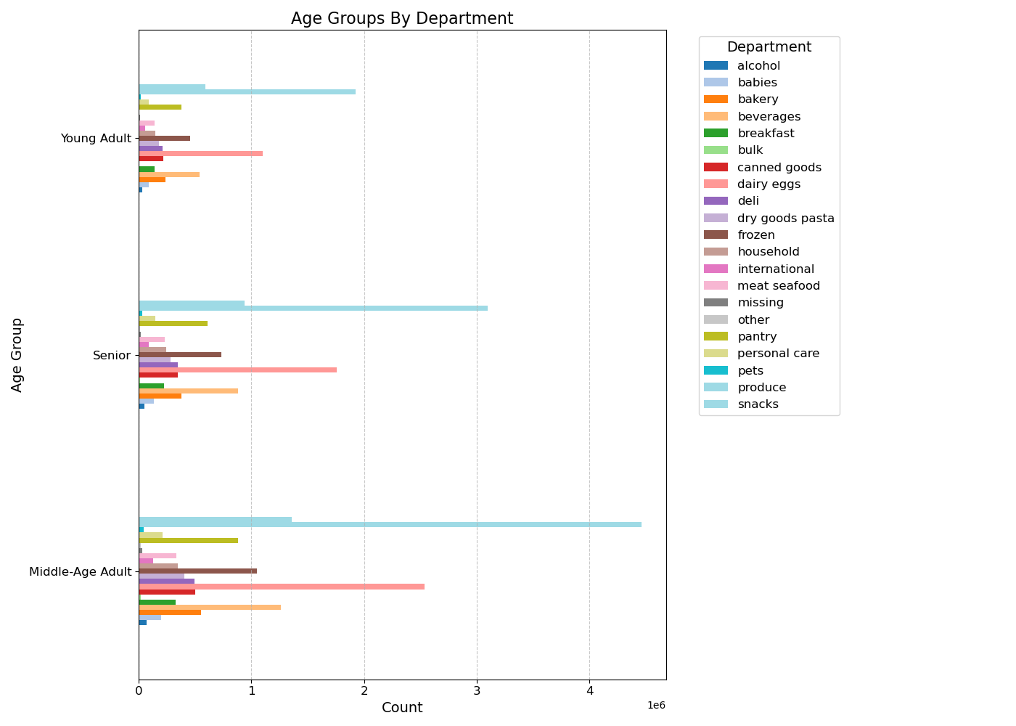
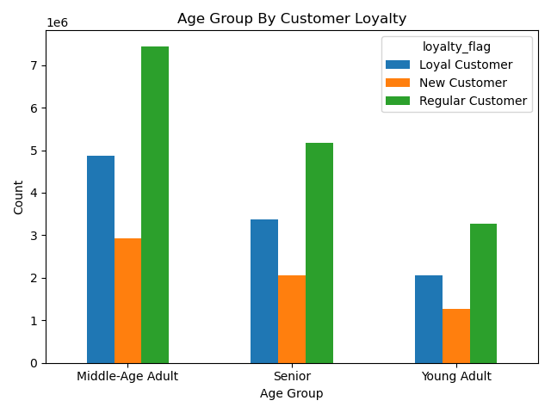
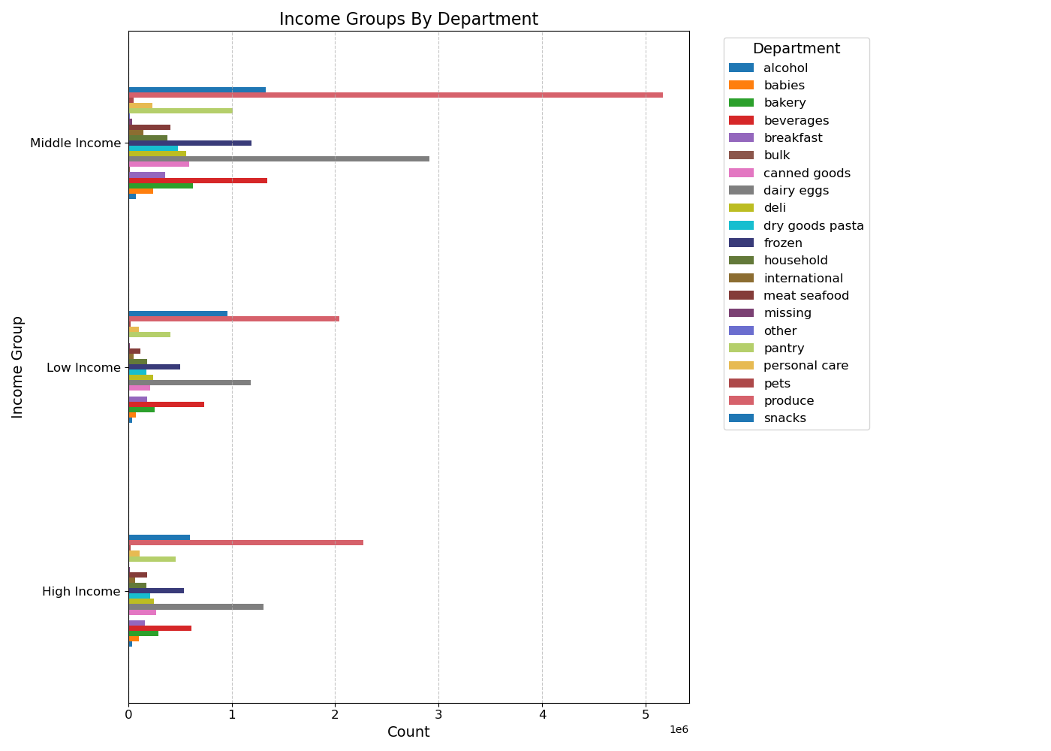
Title page

Visualisations

In this tab you should include all the visualtions from Exercises 4.9 and 4.10, alongside the questions from the project brief that they answer. Include any commentary on the relationship between different variables.

Key Question:
The sales team needs to know what the busiest days of the week and hours of the day are (i.e., the days and times with the most orders) in order to schedule ads at times when there are fewer orders.
Comments:
-Based on the bar chart for Day of Week, it appears that Saturday and Sunday are the busiest days of the week.
-We also see that the middle of the week, Tuesday and Wednesday, show to be the least busiest times of the week. Overall, orders see a decline from Monday to Wednesday and begin to increase again from Thursday.
-Within a given day, orders see the largest numbers between the hours of 10am to 3pm with the fewest amount of order in the early mornings from 12am to 5am. After 5am, orders begin to see an increase in activity to their peak times of 10am to 3pm and then begin to decline after 4pm.

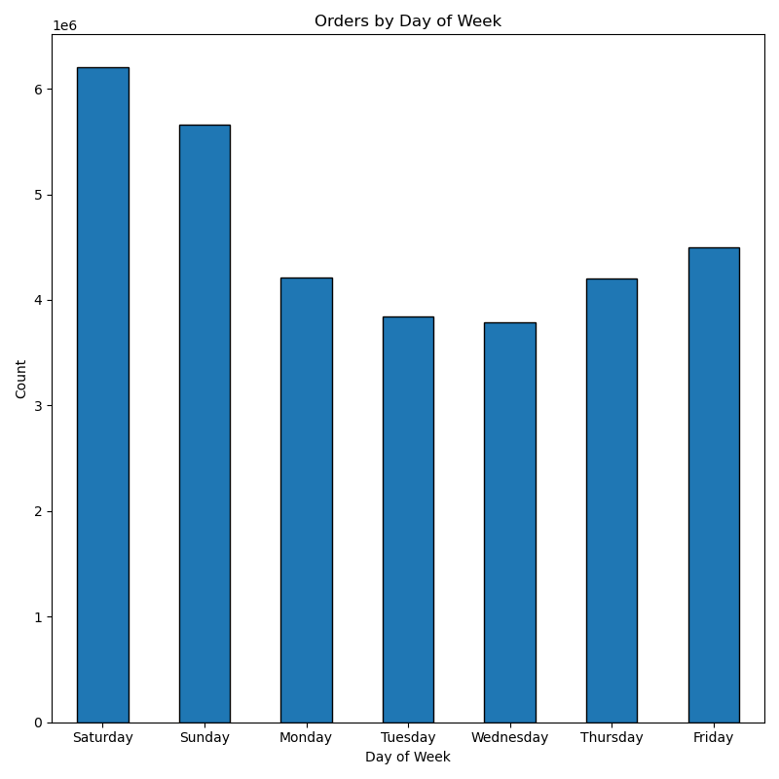
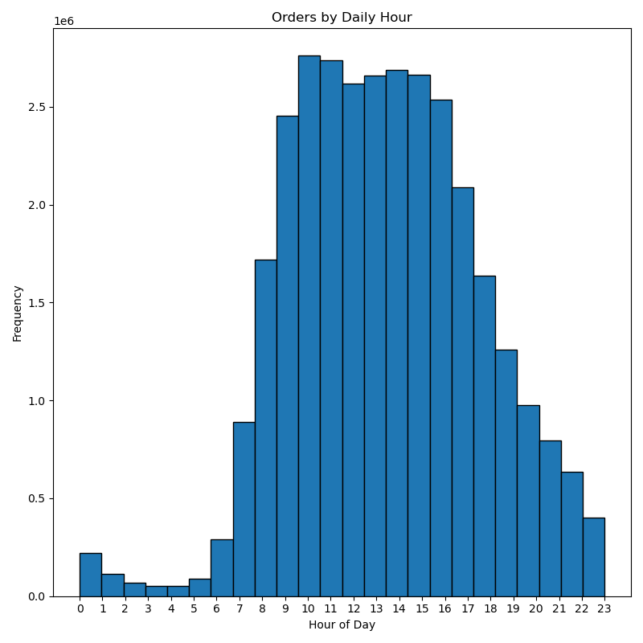

Key Question:
They also want to know whether there are particular times of the day when people spend the most money, as this might inform the type of products they advertise at these times.
Comments:
-Based on the line graph of price by hour of day, prices appear to peak in the early morning between 4am-5am with prices beginning to decline from 6am with sharp decline after 7am-8am when they appear to be at their lowest from 9am-10am. After 10am, prices begin to see an increasing trend to where they flucuate some after 3pm but remain relatively steady despite some flucuating. Prices see a second peak from 8pm to around 10pm where after 10pm they begin another declining trend.
-Based on the line graph of price per day of week, prices see their highest peaks on Friday and Saturday with a sharp decline on Sunday that continues through Monday. After Monday, we see a gradual increase from Tuesday where prices stay steady between Tuesday and Wednesday and begins to see a gradual increase for Thursday until prices see a drastic increase Friday.

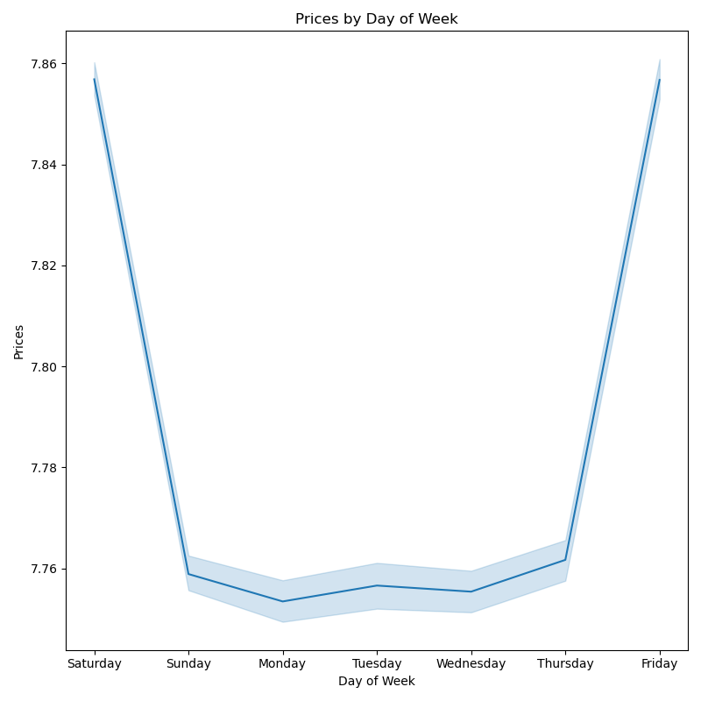
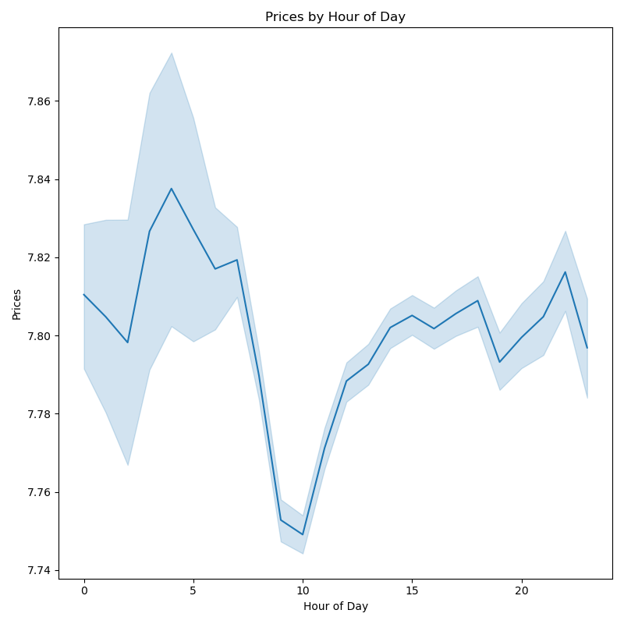

Key Question:
Instacart has a lot of products with different price tags. Marketing and sales want to use simpler price range groupings to help direct their efforts.
Comments:
-Based on both graphs, product prices appear to favor the mid-range and low-range prices with mid-range priced products being the most commonly sold.
-High-range products appear to be the least by a drastic amount in product orders.
-Based on the left graph, products tend to fall between the $5-$15 price ranges which matches with the left chart of mid-range being highest.

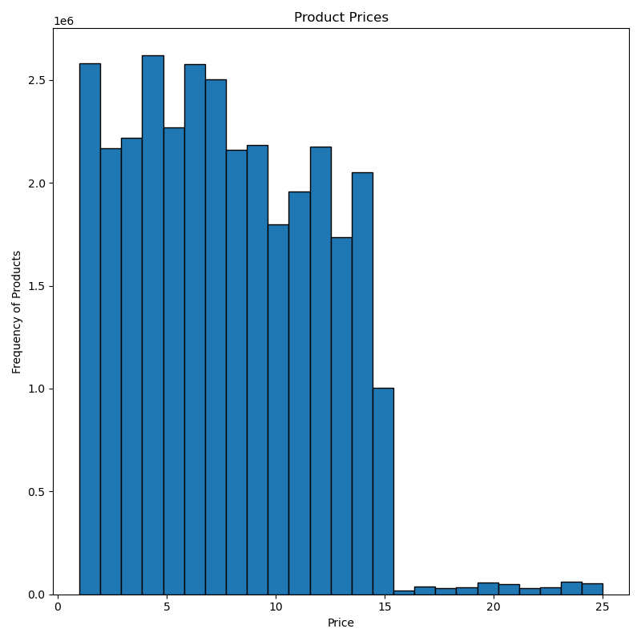
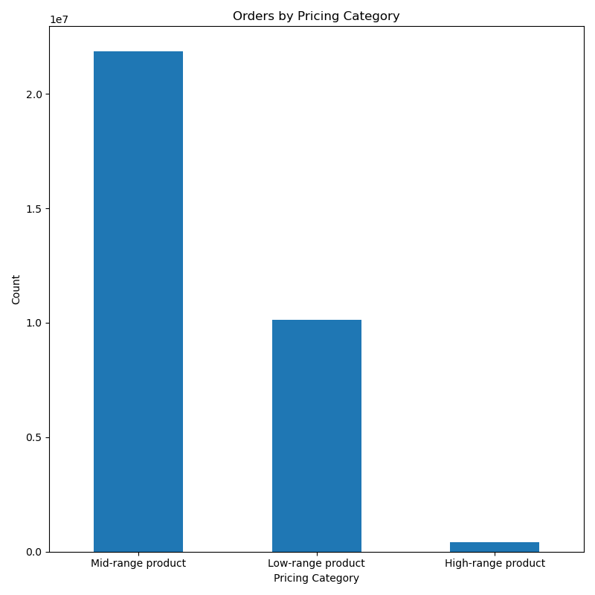

Comments:
-Based on the below bar chart, we can see that there are clearly better selling type of products.
-The top 10 appear to be produce, dairy eggs, snacks, beverages, frozen, pantry, bakery, canned goods, deli, and dry goods pasta products.
-Produce products clearly dominate product sales over any other department.
Key Question:
Are there certain types of products that are more popular than others? The marketing and sales teams want to know which departments have the highest frequency of product orders.

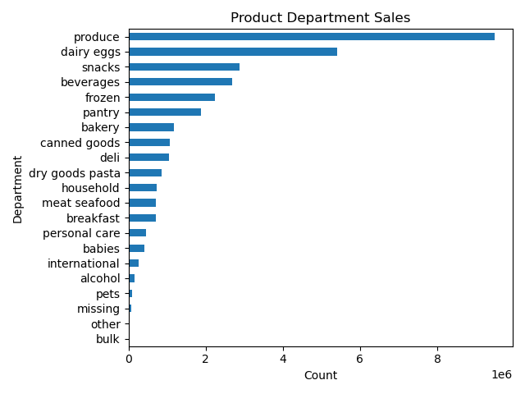

Key Question:
What’s the distribution among users in regards to their brand loyalty (i.e., how often do they return to Instacart)?
Comments:
-Based on the graphs below, it appears that around half of Instacart customers at 49% fall into being regular customers and return to Instacart with relative frequency but are not in the loyal customer segment.
-In regards to loyal customers, who return with reliable frequency, make up the second most segment at 31.7% showing a strong group of engaged customers.
-The least segment is new customers that make up 19.3% of the customer segments and show that Instacart sees a decent flow of new customers.

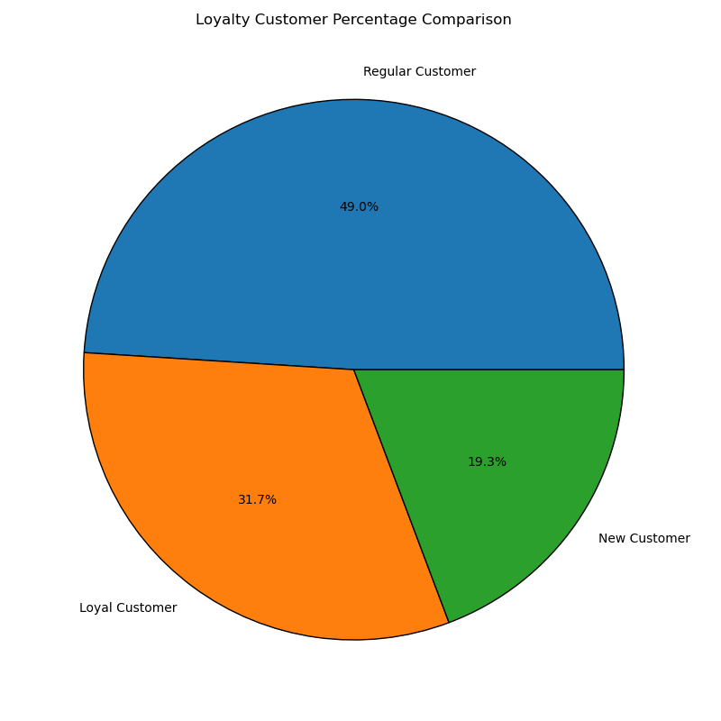
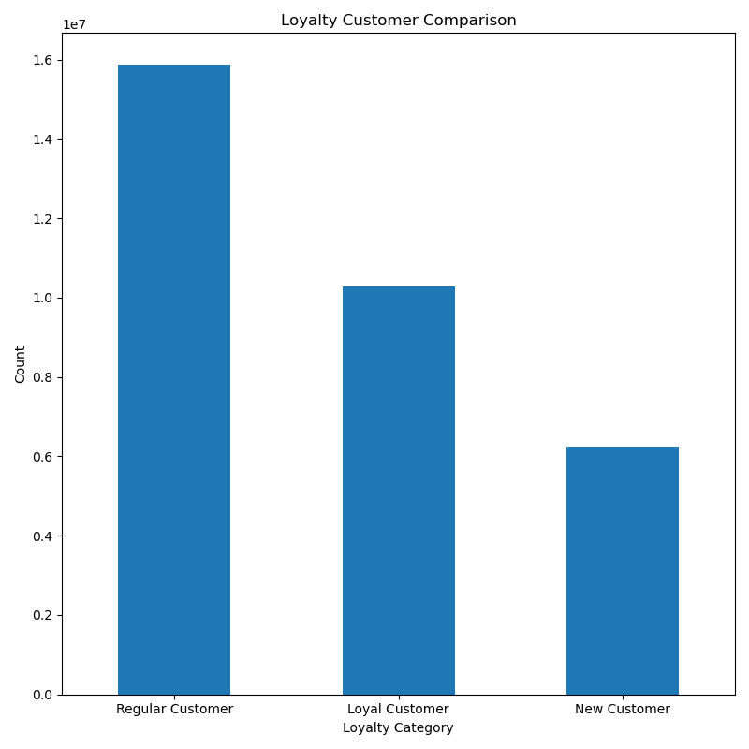

Key Question:
Are there differences in ordering habits based on a customer’s loyalty status?
Comments:
-Based on the below graph, customer loyalty categories all show to be dominated by low spenders with each category having very few high spenders.
-Regular customers appear to have the most number of high spenders, but similar to other spender groups, it is very negligible.

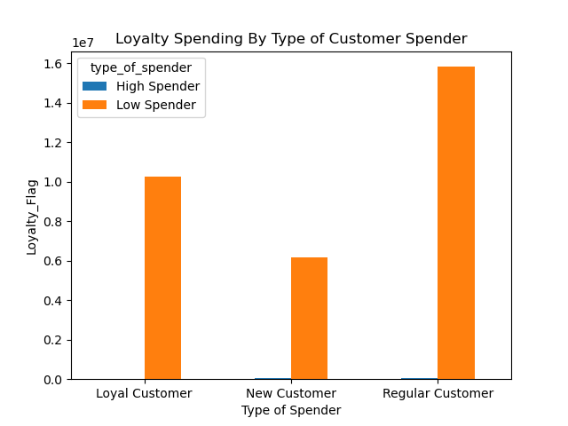

Key Question:
Are there differences in ordering habits based on a customer’s region?
Comments:
-Based on the hourly grouping of day per region, all regions favor orders in the afternoon with the South and West regions being the highest and the Northeast being the least.
-Based on customer frequency, all regions see that frequent customers are the highest customers followed by regular customers which shows a reliable return rate of customers. We also see that the West and Midwest regions follow the South as having the second and third most frequent customers, but both show to have frequency numbers very close to each other.
-Based on age group, we see that the regions are with the South being the highest, but we see that the most commonly occuring is the middle-age adult group.
-Based on income group, we see that the south continues to hold the highest with Instacart customers mostly falling in the middle-income status group.
-Based on customer dpendant size in households, we see that the regions follow per usual with the small sized households making the majority of customers over larger family sized household.

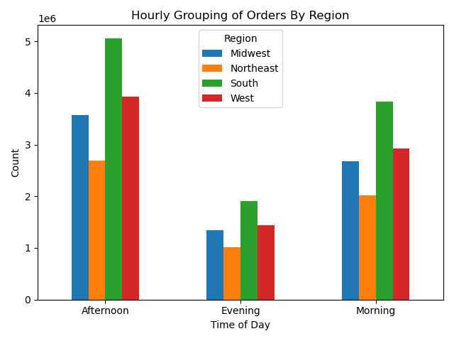
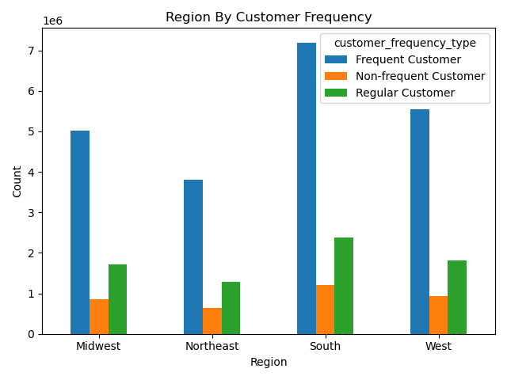
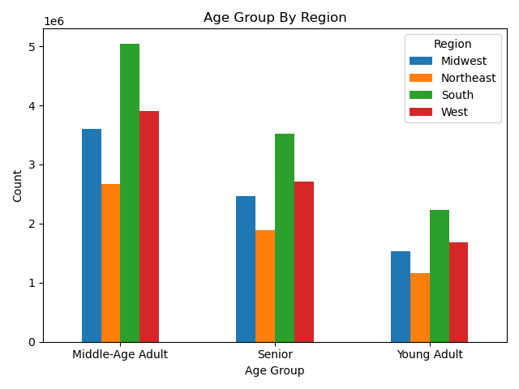

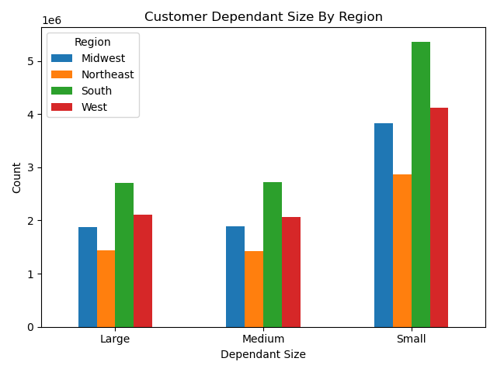
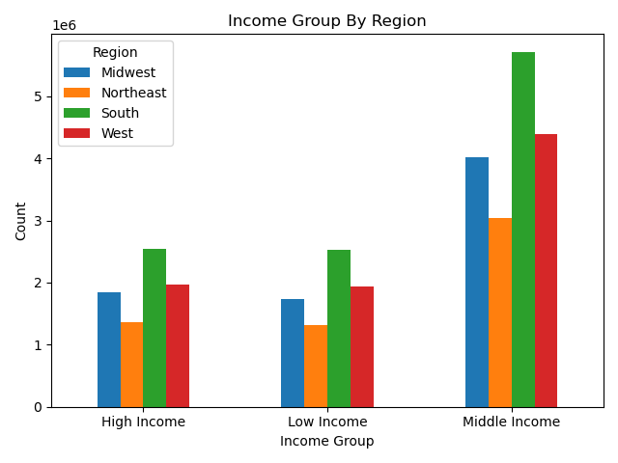

Key Question:
Is there a connection between age and family status in terms of ordering habits?
Comments:
-Based on customer age and frequency, Instacart sees middle-aged adults as their most frequent customer base followed by seniors and then young adults.
-Based on customer order by martial status, married customers appear to be the dominate customers to be placing orders followed by single and divorced/widowed customers.
-Comparing age by number of dependants, there does not appear to be a clear relationship between age and number of dependants in a customer household.

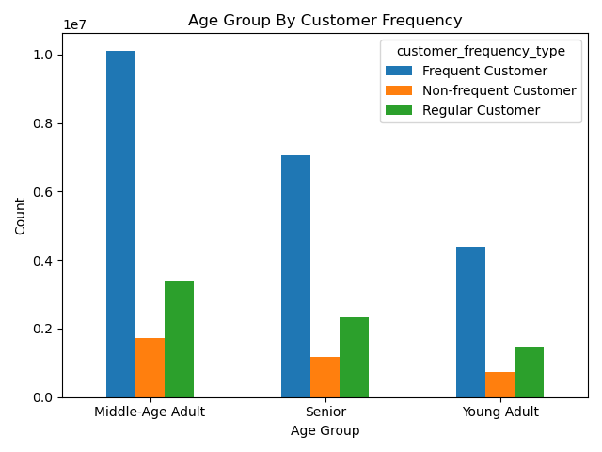

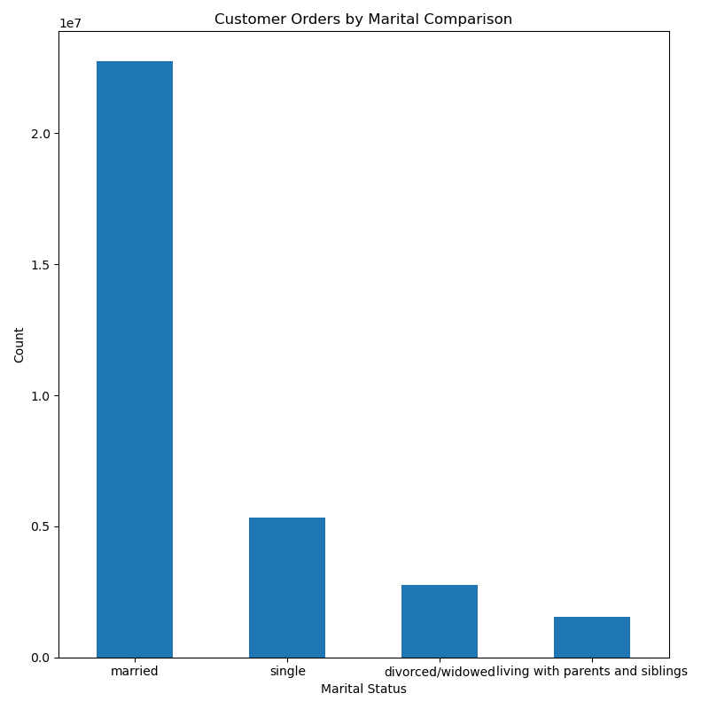

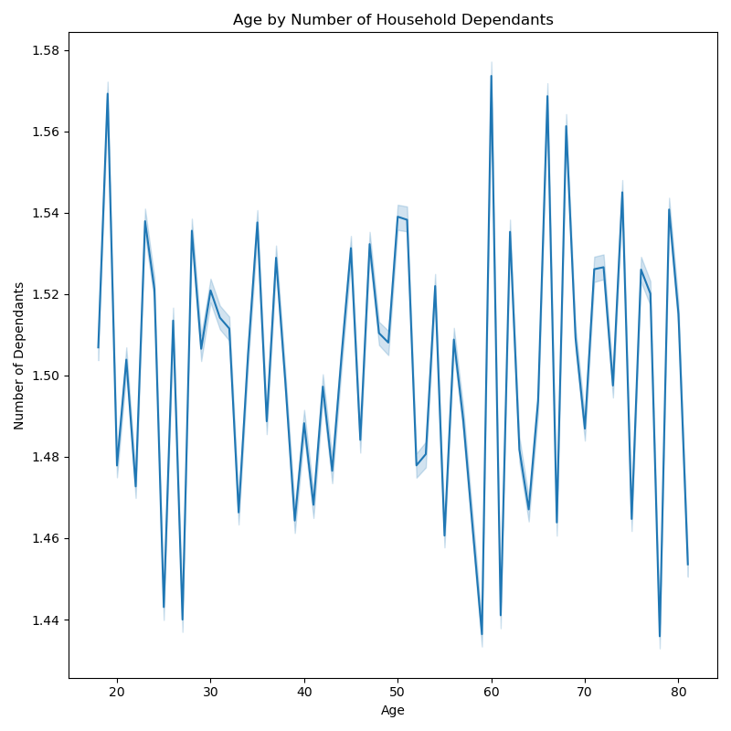

Key Question:
What different classifications does the demographic information suggest?
Age?
Income?
Certain types of goods?
Family status?
Comments:
-Based on the age group pie and bar charts, customers primarily fall in the middle-age group at 47% with seniors following second at 32.7%, and young adults following last at 20.4%.
-Based on the scatterplot, we can see that age does not show a clear relationship with income and does not have any realy consistency toward any increasing or decreasing patterns.
-We can see that after the age of 40, incomes begin to see an increase for certain customers compared to younger ages.
-With the higher incomes for some customers over the age of 40, age groups over 40 appear to have greater distribution in incomes over 400,000.
-Across all ages, we can see that the income for 200,000 or less is much more dense and less sparsely distributed and scattered than those incomes over 400,000.
-We can see that incomes begin peaking after the age of 40 showing that highest incomes will mostly fall into middle-age adults and seniors rather than young adults.
-Based on income, customers primarily fall into the middle income group at 53% with high and low income groups being almost the same at high income groups being 23.8% and low income groups being 23.2%.
-Based on the dependant groups chart, we can see that customers primarily fall into the small dependant household category of having 0-1 dependant.

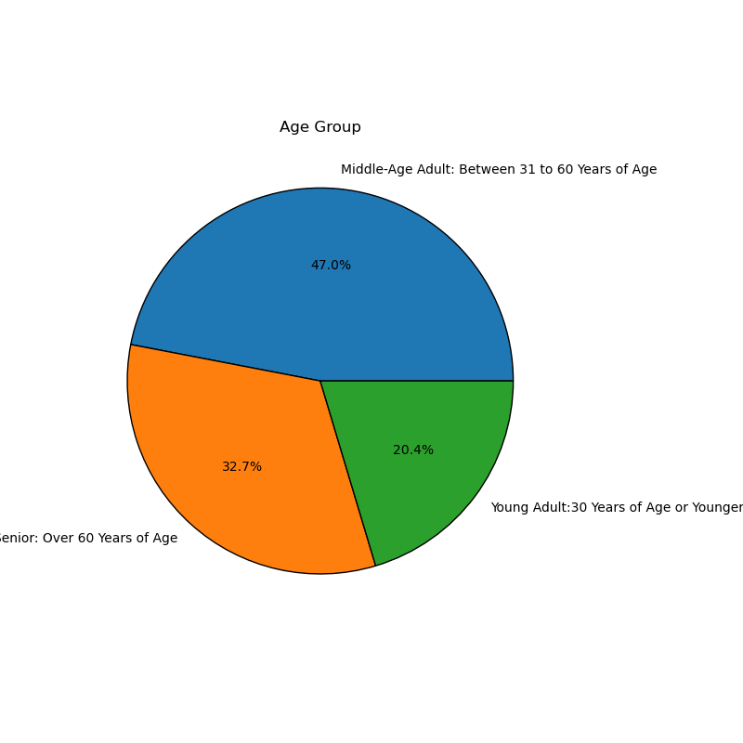
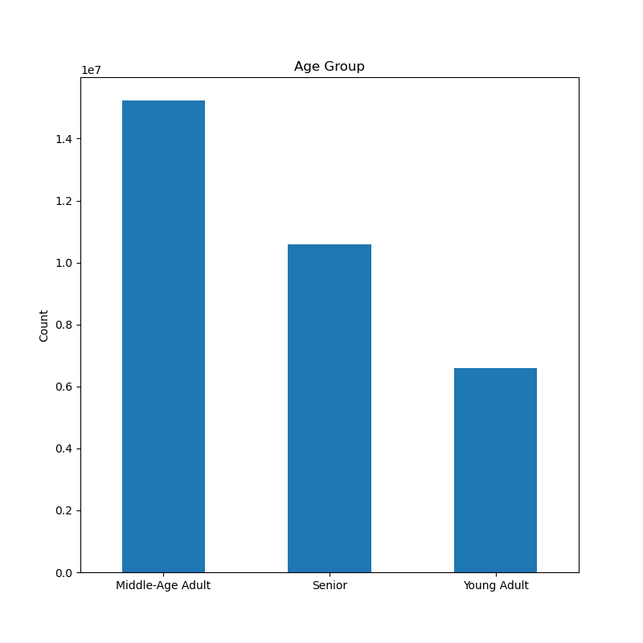
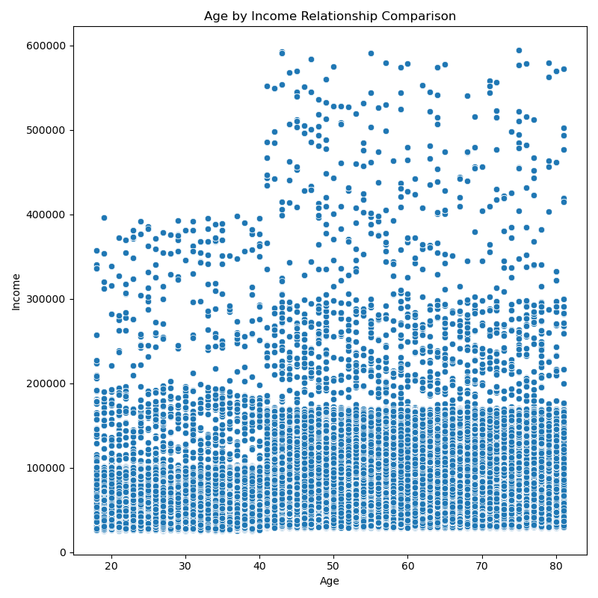

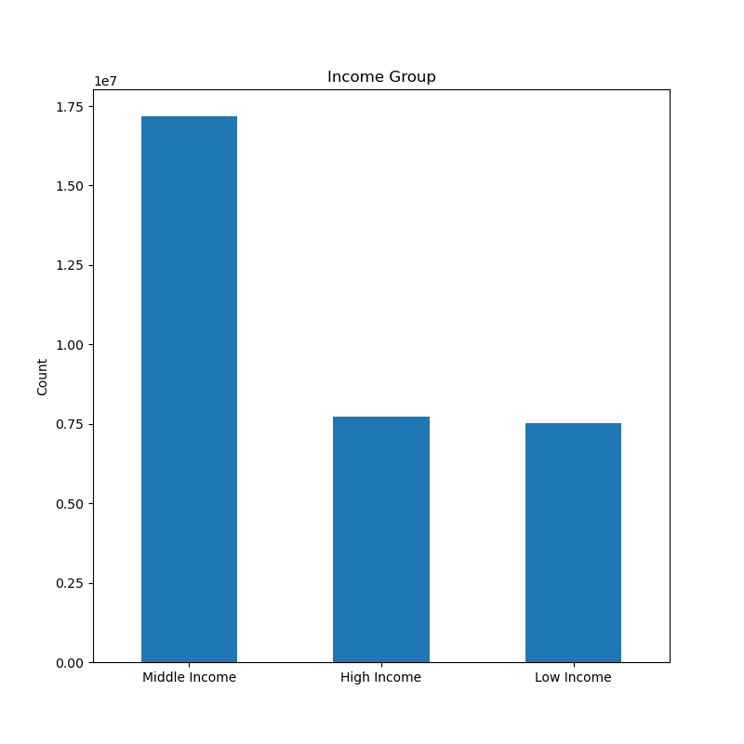
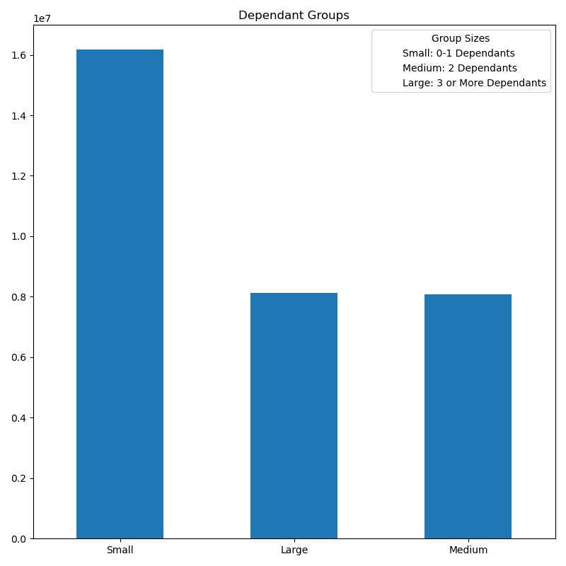
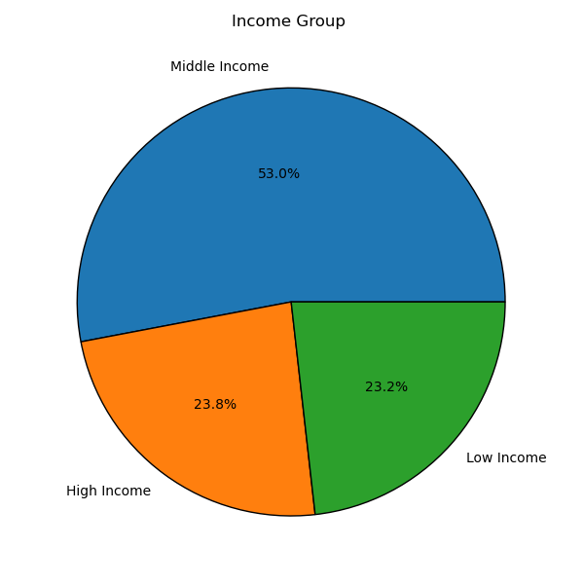

Key Question:
What differences can you find in ordering habits of different customer profiles? Consider the price of orders, the frequency of orders, the products customers are ordering, and anything else you can think of.
Comments:
-Based on age group profile, we can see that the middle age group holds primary sells in all product departments with produce being the main selling department. This middle-age group also holds the highest number of loyalty flag customers with regular being first and loyal customers being second.
-Based on income groups profile, we can see that the middle income group makes up the majority of department sales with high income appearing to take second highest in department sales and low income taking the least. While low income does appear to be the least, it appears closely behind high income in several departments, but does appear to overtake high income in alcohol department sales.

7. Recommendations
Title page
Recommendations & Answers to Key Questions

Key Question:
The sales team needs to know what the busiest days of the week and hours of the day are (i.e., the days and times with the most orders) in order to schedule ads at times when there are fewer orders.
Answer:
-Saturday and Sunday are the busiest days of the week with the largest order numbers between the hours of 10am to 3pm.
Comment(s):
-Tuesday and Wednesday show to be the least busiest times of the week. Overall, orders see a decline from Monday to Wednesday and begin to increase again from Thursday.
-Within a given day, the fewest amount of orders are in the early mornings from 12am to 5am. After 5am, orders begin to see an increase in activity to their peak times of 10am to 3pm and then begin to decline after 4pm.

Recommendation(s):
-Schedule advertisements during off hours and the least busiest days of the week. Therefore, ads are recommended to run during 12am-5am, while increasing ads on Tuesday and Wednesday.
-Offer promotional ads for promotions or discounts during the early morning, such as early bird discounts, especially on slow days like Tuesday and Wednesday.

Key Question:
They also want to know whether there are particular times of the day when people spend the most money, as this might inform the type of products they advertise at these times.
Answer(s):
-Prices by the hour of day appear to peak in the early morning between 4am-5am with a second peak from 8pm to around 10pm.
-Prices see their highest peaks on Friday and Saturday
Comments:
-Prices begin to decline from 6am with sharp decline after 7am-8am when they appear to be at their lowest from 9am-10am. After 10am, prices begin to see an increasing trend to where they flucuate some after 3pm, but remain relatively steady despite some flucuating. Prices see a second declining trend after 10pm.
-Prices see a sharp decline from Sunday that continues to Monday. After Monday, we see a gradual increase from Tuesday where prices stay steady between Tuesday and Wednesday where there is a gradual increase to Thursday until prices see a drastic increase Friday.

Recommendation(s):
-Instacart should advertise high-value products during these peak hours to try and maximize sales with a focus on Friday and Satuday to take advantage of the high spending during these days. This may help drive more orders on Friday to bring it up to Sunday order numbers from previous chart Orders by Day of Week.
-Instacart should consider advertisements based on early morning promotions tailored to breakfast items or dinner related items to try and attract those shopping for their morning breakfast or those early morning shoppers already buying items for that night's dinner. This also pertains to the second peak hours between 8pm-10pm.

Key Question:
Instacart has a lot of products with different price tags. Marketing and sales want to use simpler price range groupings to help direct their efforts.
Answer(s):
-Prices favor the mid-range pricing category.
Comments:
-Low-range prices appear to be the second highest in product orders after mid-range, but is still well below mid-range.
-High-range product appear to be the least by a drastic amount in product orders.
-Products tend to generally fall between the $5-$15 price ranges which matches with mid-range pricing category.

Recommendation(s):
-Focus efforts on the mid-range priced products as these make up a majority of product prices and have the highest order volume.
-When developing advertisements, highlight offers and promotions on mid-range priced products and low range products.
-Consider repricing on high-range product pricing to encourage customers to purchase more high-range products or offer incentives for the purchase of high-range products, such as loyalty points.

Key Question:
Are there certain types of products that are more popular than others? The marketing and sales teams want to know which departments have the highest frequency of product orders.
Answer(s):
-There are clearly better selling type of products.
-The top 10 appear to be produce, dairy eggs, snacks, beverages, frozen, pantry, bakery, canned goods, deli, and dry goods pasta products.
-Produce products clearly dominate product sales over any other department.

Recommendation(s):
-Focus marketing and sales efforts on the top 10 performing departments to maximize sales and revenue from these departments.
-Consider adding incentives to poorly performing departments to possible entice purchases.

Key Question:
What’s the distribution among users in regards to their brand loyalty (i.e., how often do they return to Instacart)?
Answer(s):
-Regular customers make up 49%
- Loyal customers make up 31.7%
-New customers make up 19.3%
Comments:
-Majority of Instacart customers identify as regular customers with a relative return frequency.
-Instacart has a decent number of loyal customers who return with reliable frequency.
-Instacart sees a decent flow of new customers.

Recommendation(s):
-Instacart should aim to convert the decent flow of its new customers to regular customers or even loyal customers through promotional welcome incentives.
-Increase engagment with regular customers to encourage them to become loyal customers through offered discount incentives.

Key Question:
Are there differences in ordering habits based on a customer’s loyalty status?
Answer(s):
-It appears that the order spending habits does not change amongst customer loyalty status as all loyalty categories are low spenders and have very few high spenders.
Comments:
-Regular customers appear to have the most number of high spenders, but similar to other spender groups, it is very negligible.

Recommendation(s):
-Develop new loyalty spending rewards or better incentives, such as bonus points to redeem on furture orders, to encourage high spending for greater benefits for those customers.

Key Question:
Are there differences in ordering habits based on a customer’s region?
Answer(s):
-All regions favor orders in the afternoon with the South region being the highest and the Northeast region being the least.
-All regions see that frequent customers are the highest customers followed by regular customers which shows a reliable return rate of customers with the South region being highest in customer frequency.
-All regions see that the middle-age adult group as being the highest form of Instacart customers followed by seniors and then young adults with the South region being highest and the Northeast being the least.
-All regions see that main customers fall into the middle income group with the South region being the highest and the Northeast being the least and both high income and low income groups are relatively close.
-All regions see that small dependant household sizes make up the majority of customers with the South region being highest and the Northeast being least.

Recommendation(s):
-Notheast region shows some potential despite being the least in all factors, increase engagement with market to drive more revenue and sales in this region.
-Develop marketing strategies for small dependant households that focus on products for 0-1 dependant households.
-Develop tailored bulk product advertisements for larger households to encourage sales for family-sized orders.
-Tailor main marketing efforts on middle-age adults and middle income customers
-Create specific marketing campaigns for seniors and young adults and those customers with high and low incomes.

Key Question:
Is there a connection between age and family status in terms of ordering habits?
Answer(s):
-Instacart sees middle-aged adults as their most frequent customer base followed by seniors and then young adults.
-Married customers dominate those customers placing orders followed by single and divorced/widowed customers
Comments:
-Comparing age by number of dependants, there does not appear to be a clear relationship between age and number of dependants in a customer household.

Recommendation(s):
-Mentioned previously, focus marketing strategies on middle-age adults as this group is the most frequent customer group.
-Develop marketing strategies for wife and husband married couples and single customers as these are the highest with orders in marital status which are likely to fit the small dependant households that focus on 0-1 dependant households mentioned previously. These also possibly tailor to divorced or widowed customers aiding on marketing costs.
-Develop some promotions for family sized products to attract any customers under the married marital status that might have a dependants greater than 2.

Key Question:
What different classifications does the demographic information suggest?
Age?
Income?
Certain types of goods?
Family status?
Answer(s):
-Age group customers primarily fall in the middle-age group at 47% with seniors following second at 32.7%, and young adults following last at 20.4%
- Income group customers primarily fall into the middle income group at 53% with high and low income groups almost the same at high income groups being 23.8% and low income group being 23.2%.
-Dependant group customers fall primarily into the small dependant household category of having 0-1 dependant (mentioned previously as well).
-Based on the scatterplot, we can see that age does not show a clear relationship with income and does not have any realy consistency toward any increasing or decreasing patterns.
-We can see that after the age of 40, incomes begin to see an increase for certain customers compared to younger ages.
-With the higher incomes for some customers over the age of 40, age groups over 40 appear to have greater distribution in incomes over 400000.
-Across all ages, we can see that the income for 200,000 or less is much more dense and less sparsely distributed and scattered than those incomes over 400,000.
-We can see that incomes begin peaking after the age of 40 showing that highest income will mostly fall into middle-age adults and seniors rather than young adults.

Recommendation(s):
-Because some customers have very large income, design premium product lines and luxury items to see if Instacart can attract more high-income customers.
-As the scatterplot is mostly dense around the lower and middle incomes, consider developing a budget friendly product line for essential items that might appeal to both low and middle income shoppers trying to save on money.
-To encourage more young adult shoppers, develop trendy product lines and budget friendly options to attract more young adult shoppers.

Key Question:
What differences can you find in ordering habits of different customer profiles? Consider the price of orders, the frequency of orders, the products customers are ordering, and anything else you can think of.
Answer(s):
-The middle age group holds primary sells in all product departments with produce being the main selling department.
-The middle-age group also holds the highest number of loyalty flag customers with regular being first and loyal customers being second highest.
-The middle income group makes up the majority of department sales with high income appearing to take second highest in department sales and low income taking the least.
Comments:
-While low income does appear to be the least, it appears closely behind high income in several departments, but does appear to overtake high income in alcohol department sales.

Recommendation(s):
-As customer spending is similar to each age group and income group, it is recommended to get better feedback on customer department preferences.
-Because spending is similar amongst age groups and income groups, tailor marketing strategies to the top 10 performing departments mentioned earlier to ensure customer attention, until better insight to customer thoughts can be obtained.
-As alcohol appears to be a popular item to low and middle income shoppers, focus on advertising and stocking popular selling items to maximize revenue.

Data Citation
 | Title Page

Data Citation

Data Source
“The Instacart Online Grocery Shopping Dataset 2017”, Accessed from www.instacart.com/datasets/grocery-shopping-2017 via Kaggle on July 5, 2024.
Products data set "Prices' column were fabricated information
Customer data set was fabricated information

